Sheet1
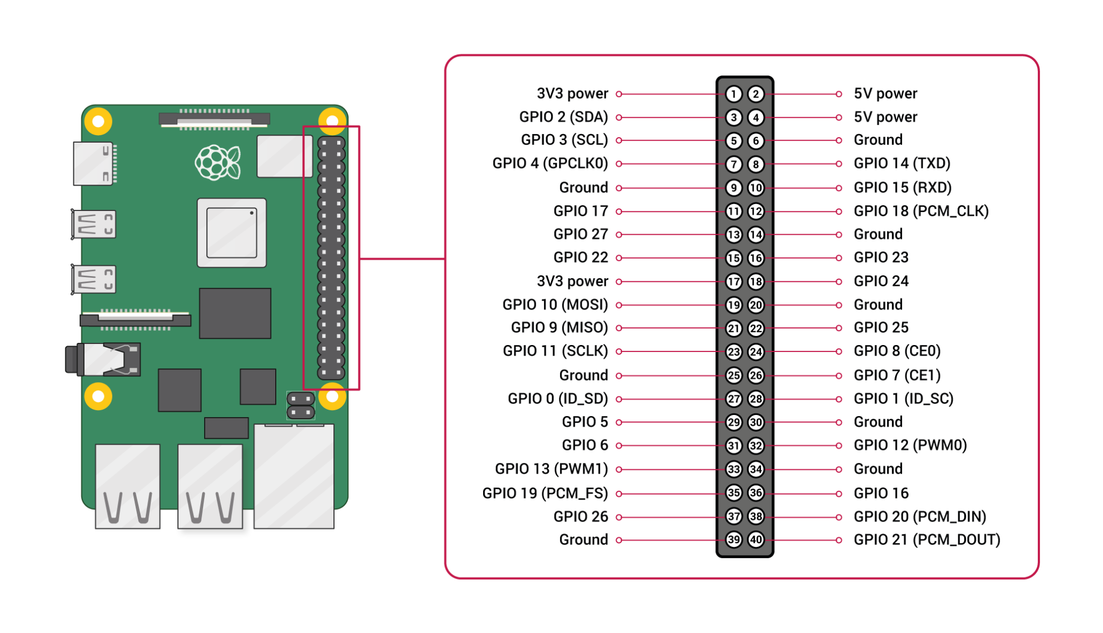
Component Name/Connection | Input/Output | Pin Number | OpenPLC Address | Modbus Address
Magnetic Sensor | Digital In | 3 | %IX0.0 | 0 | NOTE: Modbus Addressing Needs Verification!
IR Sensor | Digital In | 5 | %IX0.1 | 1
Motion Sensor | Digital In | 7 | %IX0.2 | 2
GD Up Push Button | Digital In | 11 | %IX0.3 | 3
GD Down Push Button | Digital In | 13 | %IX0.4 | 4
FD Lock Signal | Digital In | 15 | %IX0.5 | 5
Arm Right Panel Push Button | Digital In | 19 | %IX0.6 | 6
Arm House Push Button | Digital In | 21 | %IX0.7 | 7
Panel_Reset_PB | Digital In | 23 | %IX1.0 | 8
 | Digital In | 29 | %IX1.1 | 9
 | Digital In | 31 | %IX1.2 | 10
 | Digital In | 33 | %IX1.3 | 11
 | Digital In | 35 | %IX1.4 | 12
 | Digital In | 37 | %IX1.5 | 13

 | Analog Out (PWM) | 12 | %QW0 | 0
Red Alarm Light | Digital Out | 8 | %QX0.0 | 0
 | Digital Out | 10 | %QX0.1 | 1
 | Digital Out | 16 | %QX0.2 | 2
 | Digital Out | 18 | %QX0.3 | 3
 | Digital Out | 22 | %QX0.4 | 4
 | Digital Out | 24 | %QX0.5 | 5
 | Digital Out | 26 | %QX0.6 | 6
 | Digital Out | 32 | %QX0.7 | 7
 | Digital Out | 36 | %QX1.0 | 8
 | Digital Out | 38 | %QX1.1 | 9
 | Digital Out | 40 | %QX1.2 | 10

